Diagram
 | Displacement at mid-span [mm]
0.00E+00 | 0.00E+00
1.00E-02 | -2.52E-02
2.00E-02 | -5.05E-02
3.00E-02 | -7.57E-02
4.00E-02 | -1.01E-01
5.00E-02 | -1.26E-01
6.00E-02 | -1.51E-01
7.00E-02 | -1.77E-01
8.00E-02 | -2.02E-01
9.00E-02 | -2.27E-01
1.00E-01 | -2.52E-01
1.10E-01 | -2.78E-01
1.20E-01 | -3.03E-01
1.30E-01 | -3.28E-01
1.40E-01 | -3.53E-01
1.50E-01 | -3.78E-01
1.60E-01 | -4.04E-01
1.70E-01 | -4.29E-01
1.80E-01 | -4.54E-01
1.90E-01 | -4.79E-01
2.00E-01 | -5.05E-01
2.10E-01 | -5.30E-01
2.20E-01 | -5.55E-01
2.30E-01 | -5.80E-01
2.40E-01 | -6.05E-01
2.50E-01 | -6.31E-01
2.60E-01 | -6.56E-01
2.70E-01 | -6.81E-01
2.80E-01 | -7.06E-01
2.90E-01 | -7.32E-01
3.00E-01 | -7.57E-01
3.10E-01 | -7.82E-01
3.20E-01 | -8.07E-01
3.30E-01 | -8.33E-01
3.40E-01 | -8.58E-01
3.50E-01 | -8.83E-01
3.60E-01 | -9.08E-01
3.70E-01 | -9.33E-01
3.80E-01 | -9.59E-01
3.90E-01 | -9.84E-01
4.00E-01 | -1.01E+00
4.10E-01 | -1.03E+00
4.20E-01 | -1.06E+00
4.30E-01 | -1.08E+00
4.40E-01 | -1.11E+00
4.50E-01 | -1.14E+00
4.60E-01 | -1.16E+00
4.70E-01 | -1.19E+00
4.80E-01 | -1.21E+00
4.90E-01 | -1.24E+00
...

Deflected shape
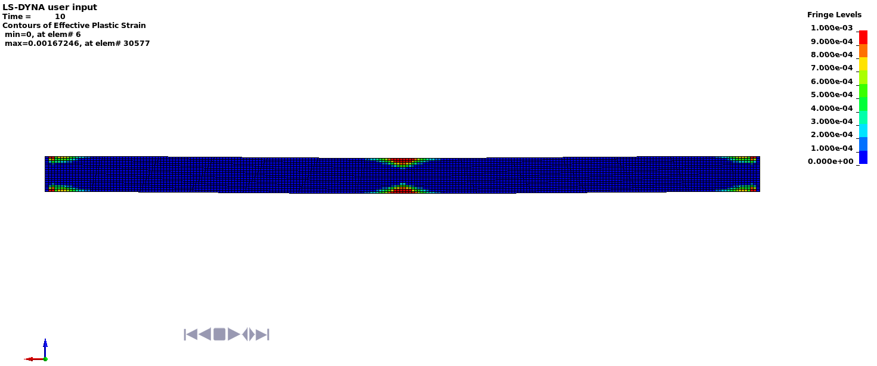

Deflected shape with visible contours of plasticity

